Sheet1
Copy data from Tracker and paste into A3 |  |  |  | Let these populate on their own |  |  |  |  |  |  | Here are the results
Binary waveform
profile A | 0.00
x
12.91 | 0.00
12.89 | 0.00
12.87 | 0.00
12.85 | 0.00
12.83 | 0.00
12.81 | 0.00
12.79 | 0.00
12.77 | 0.00
12.75 | 1.00
12.73 | 1.00
12.71 | 0.00
12.69 | 0.00
12.67 | 0.00
12.65 | 0.00
12.63 | 0.00
12.61 | 0.00
12.59 | 0.00
12.57 | 0.00
12.55 | 1.00
12.53 | 1.00
12.51 | 0.00
12.49 | 0.00
12.47 | 0.00
12.45 | 0.00
12.43 | 0.00
12.41 | 0.00
12.39 | 0.00
12.37 | 1.00
12.35 | 1.00
12.33 | 1.00
12.32 | 0.00
12.30 | 0.00
12.28 | 0.00
12.26 | 0.00
12.24 | 0.00
12.22 | 0.00
12.20 | 0.00
12.18 | 0.00
12.16 | 1.00
12.14 | 1.00
12.12 | 1.00
12.10 | 0.00
12.08 | 0.00
12.06 | 0.00
12.04 | 0.00
12.02 | 0.00
12.00 | 0.00
11.98 | 0.00
...
 | profile A |  |  | Binary | Transition | Remove troughs | Pixel # | Pix Spacing | Peaks | Spacing | Mean (mm) | Accuracy | StDev (±mm) | Precision | Pixel/mm
n | x | y | luma
0.00 | 12.91 | 1.34 | 190.70 | 0.00 |  |  |  |  |  |  | 0.22 | 12% | 0.10 | 45% | 51.00
1.00 | 12.89 | 1.34 | 123.30 | 0.00
2.00 | 12.87 | 1.34 | 81.40 | 0.00 | 12.91 |  | 27.00 |  | 12.37
3.00 | 12.85 | 1.34 | 61.70 | 0.00 |  |  | 38.00 | 11.00 | 12.16 | 0.21
4.00 | 12.83 | 1.34 | 80.80 | 0.00 |  |  | 79.00 | 41.00 | 11.35 | 0.81
5.00 | 12.81 | 1.34 | 115.90 | 0.00 |  |  | 89.00 | 10.00 | 11.15 | 0.20
6.00 | 12.79 | 1.34 | 135.20 | 0.00 |  |  | 100.00 | 11.00 | 10.94 | 0.21
7.00 | 12.77 | 1.34 | 189.60 | 0.00 |  |  | 110.00 | 10.00 | 10.74 | 0.20
8.00 | 12.75 | 1.34 | 240.70 | 1.00 |  |  | 120.00 | 10.00 | 10.54 | 0.20
9.00 | 12.73 | 1.34 | 255.00 | 1.00 |  |  | 129.00 | 9.00 | 10.36 | 0.18
10.00 | 12.71 | 1.34 | 206.60 | 0.00 | 12.75 |  | 140.00 | 11.00 | 10.15 | 0.21
11.00 | 12.69 | 1.34 | 138.20 | 0.00 |  |  | 160.00 | 20.00 | 9.75 | 0.40
12.00 | 12.67 | 1.34 | 53.50 | 0.00 | 12.71 |  | 171.00 | 11.00 | 9.54 | 0.22
13.00 | 12.65 | 1.34 | 8.90 | 0.00 |  |  | 181.00 | 10.00 | 9.34 | 0.20
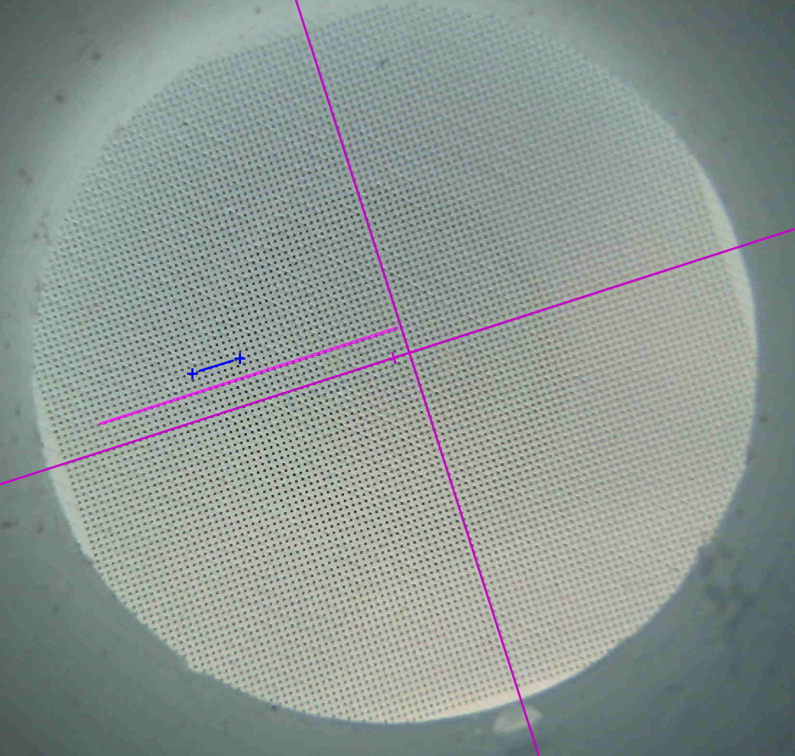
14.00 | 12.63 | 1.34 | 12.90 | 0.00 |  |  | 191.00 | 10.00 | 9.14 | 0.20
15.00 | 12.61 | 1.34 | 64.60 | 0.00 |  |  | 200.00 | 9.00 | 8.96 | 0.18
16.00 | 12.59 | 1.34 | 127.90 | 0.00 |  |  | 211.00 | 11.00 | 8.75 | 0.22
17.00 | 12.57 | 1.34 | 219.20 | 0.00 |  |  | 221.00 | 10.00 | 8.55 | 0.20
18.00 | 12.55 | 1.34 | 255.00 | 1.00 |  |  | 231.00 | 10.00 | 8.35 | 0.20
19.00 | 12.53 | 1.34 | 255.00 | 1.00 |  |  | 251.00 | 20.00 | 7.96 | 0.39
20.00 | 12.51 | 1.34 | 167.00 | 0.00 | 12.55 |  | 261.00 | 10.00 | 7.76 | 0.20
21.00 | 12.49 | 1.34 | 125.70 | 0.00 |  |  | 271.00 | 10.00 | 7.56 | 0.20
22.00 | 12.47 | 1.34 | 93.00 | 0.00 | 12.51 |  | 281.00 | 10.00 | 7.37 | 0.20
23.00 | 12.45 | 1.34 | 36.30 | 0.00 |  |  | 291.00 | 10.00 | 7.17 | 0.20
24.00 | 12.43 | 1.34 | 24.00 | 0.00 |  |  | 302.00 | 11.00 | 6.95 | 0.22
25.00 | 12.41 | 1.34 | 93.00 | 0.00 |  |  | 312.00 | 10.00 | 6.76 | 0.20
26.00 | 12.39 | 1.34 | 194.50 | 0.00 |  |  | 322.00 | 10.00 | 6.56 | 0.20
27.00 | 12.37 | 1.34 | 245.50 | 1.00 |  |  | 332.00 | 10.00 | 6.36 | 0.20
28.00 | 12.35 | 1.34 | 255.00 | 1.00 |  |  | 343.00 | 11.00 | 6.14 | 0.22
29.00 | 12.33 | 1.34 | 255.00 | 1.00 | 12.37 | 12.37 | 353.00 | 10.00 | 5.95 | 0.20
30.00 | 12.32 | 1.34 | 184.00 | 0.00 |  |  | 363.00 | 10.00 | 5.75 | 0.20
31.00 | 12.30 | 1.34 | 127.80 | 0.00 |  |  | 373.00 | 10.00 | 5.55 | 0.20
32.00 | 12.28 | 1.34 | 73.80 | 0.00 | 12.32 |  | 384.00 | 11.00 | 5.34 | 0.22
33.00 | 12.26 | 1.34 | 19.80 | 0.00 |  |  | 393.00 | 9.00 | 5.16 | 0.18
34.00 | 12.24 | 1.34 | 10.10 | 0.00 |  |  | 404.00 | 11.00 | 4.94 | 0.22
35.00 | 12.22 | 1.34 | 39.10 | 0.00 |  |  | 414.00 | 10.00 | 4.74 | 0.20
36.00 | 12.20 | 1.34 | 101.40 | 0.00 |  |  | 424.00 | 10.00 | 4.55 | 0.20
37.00 | 12.18 | 1.34 | 201.00 | 0.00 |  |  | 435.00 | 11.00 | 4.33 | 0.22
38.00 | 12.16 | 1.34 | 249.20 | 1.00 |  |  | 445.00 | 10.00 | 4.13 | 0.20
39.00 | 12.14 | 1.34 | 255.00 | 1.00 |  |  | 455.00 | 10.00 | 3.94 | 0.20
40.00 | 12.12 | 1.34 | 255.00 | 1.00 | 12.16 | 12.16 | 466.00 | 11.00 | 3.72 | 0.22
41.00 | 12.10 | 1.34 | 185.60 | 0.00 |  |  | 476.00 | 10.00 | 3.52 | 0.20
42.00 | 12.08 | 1.34 | 132.90 | 0.00 |  |  | 487.00 | 11.00 | 3.30 | 0.22
43.00 | 12.06 | 1.34 | 80.00 | 0.00 | 12.10 |  | 497.00 | 10.00 | 3.11 | 0.20
44.00 | 12.04 | 1.34 | 47.10 | 0.00 |  |  | 508.00 | 11.00 | 2.89 | 0.22
45.00 | 12.02 | 1.34 | 60.10 | 0.00 |  |  | 518.00 | 10.00 | 2.69 | 0.20
46.00 | 12.00 | 1.34 | 90.70 | 0.00 |  |  | 528.00 | 10.00 | 2.50 | 0.20
47.00 | 11.98 | 1.34 | 141.30 | 0.00 |  |  | 538.00 | 10.00 | 2.30 | 0.20
48.00 | 11.96 | 1.34 | 224.50 | 0.00 |  |  | 549.00 | 11.00 | 2.08 | 0.22
49.00 | 11.94 | 1.34 | 255.00 | 1.00 |  |  | 560.00 | 11.00 | 1.87 | 0.22
50.00 | 11.92 | 1.34 | 192.20 | 0.00 |  |  | 570.00 | 10.00 | 1.67 | 0.20
51.00 | 11.90 | 1.34 | 142.90 | 0.00 | 11.94 |  | 581.00 | 11.00 | 1.45 | 0.22
52.00 | 11.88 | 1.34 | 109.30 | 0.00 | 11.92 |  | 591.00 | 10.00 | 1.25 | 0.20
53.00 | 11.86 | 1.34 | 76.80 | 0.00 |  |  | 601.00 | 10.00 | 1.06 | 0.20
54.00 | 11.84 | 1.34 | 74.30 | 0.00 |  |  | 611.00 | 10.00 | 0.86 | 0.20
55.00 | 11.82 | 1.34 | 87.50 | 0.00 |  |  | 623.00 | 12.00 | 0.62 | 0.24
56.00 | 11.80 | 1.34 | 121.90 | 0.00 |  |  | 633.00 | 10.00 | 0.43 | 0.20
57.00 | 11.78 | 1.34 | 155.70 | 0.00 |  |  | 644.00 | 11.00 | 0.21 | 0.22
58.00 | 11.76 | 1.34 | 226.70 | 0.00 |  |  | 0.00
59.00 | 11.74 | 1.34 | 255.00 | 1.00 |  |  | 0.00
60.00 | 11.72 | 1.34 | 224.70 | 0.00 |  |  | 0.00
61.00 | 11.70 | 1.34 | 170.80 | 0.00 | 11.74 |  | 0.00
62.00 | 11.68 | 1.34 | 139.10 | 0.00 | 11.72 |  | 0.00
63.00 | 11.66 | 1.34 | 130.40 | 0.00 |  |  | 0.00
64.00 | 11.64 | 1.34 | 122.90 | 0.00 |  |  | 0.00
65.00 | 11.63 | 1.34 | 122.70 | 0.00 |  |  | 0.00
66.00 | 11.61 | 1.34 | 124.30 | 0.00 |  |  | 0.00
67.00 | 11.59 | 1.34 | 138.10 | 0.00 |  |  | 0.00
68.00 | 11.57 | 1.34 | 196.90 | 0.00 |  |  | 0.00
69.00 | 11.55 | 1.34 | 244.90 | 1.00 |  |  | 0.00
70.00 | 11.53 | 1.34 | 255.00 | 1.00 |  |  | 0.00
71.00 | 11.51 | 1.34 | 186.70 | 0.00 | 11.55 |  | 0.00
72.00 | 11.49 | 1.34 | 145.50 | 0.00 |  |  | 0.00
73.00 | 11.47 | 1.34 | 132.60 | 0.00 | 11.51 |  | 0.00
74.00 | 11.45 | 1.34 | 112.50 | 0.00 |  |  | 0.00
75.00 | 11.43 | 1.34 | 59.80 | 0.00 |  |  | 0.00
76.00 | 11.41 | 1.34 | 74.80 | 0.00 |  |  | 0.00
77.00 | 11.39 | 1.34 | 118.60 | 0.00 |  |  | 0.00
78.00 | 11.37 | 1.34 | 201.10 | 0.00 |  |  | 0.00
79.00 | 11.35 | 1.34 | 255.00 | 1.00 |  |  | 0.00
80.00 | 11.33 | 1.34 | 255.00 | 1.00 |  |  | 0.00
81.00 | 11.31 | 1.34 | 255.00 | 1.00 | 11.35 | 11.35 | 0.00
82.00 | 11.29 | 1.34 | 216.40 | 0.00 |  |  | 0.00
83.00 | 11.27 | 1.34 | 124.60 | 0.00 |  |  | 0.00
84.00 | 11.25 | 1.34 | 43.00 | 0.00 | 11.29 |  | 0.00
85.00 | 11.23 | 1.34 | 63.50 | 0.00 |  |  | 0.00
86.00 | 11.21 | 1.34 | 74.40 | 0.00 |  |  | 0.00
87.00 | 11.19 | 1.34 | 105.60 | 0.00 |  |  | 0.00
88.00 | 11.17 | 1.34 | 208.80 | 0.00 |  |  | 0.00
89.00 | 11.15 | 1.34 | 255.00 | 1.00 |  |  | 0.00
90.00 | 11.13 | 1.34 | 255.00 | 1.00 |  |  | 0.00
91.00 | 11.11 | 1.34 | 255.00 | 1.00 | 11.15 | 11.15 | 0.00
92.00 | 11.09 | 1.34 | 182.40 | 0.00 |  |  | 0.00
93.00 | 11.07 | 1.34 | 106.30 | 0.00 |  |  | 0.00
94.00 | 11.05 | 1.34 | 43.70 | 0.00 | 11.09 |  | 0.00
95.00 | 11.03 | 1.34 | 3.80 | 0.00 |  |  | 0.00
96.00 | 11.01 | 1.34 | 40.80 | 0.00 |  |  | 0.00
97.00 | 10.99 | 1.34 | 102.60 | 0.00 |  |  | 0.00
98.00 | 10.97 | 1.34 | 145.80 | 0.00 |  |  | 0.00
99.00 | 10.95 | 1.34 | 219.00 | 0.00 |  |  | 0.00
100.00 | 10.94 | 1.34 | 255.00 | 1.00 |  |  | 0.00
101.00 | 10.92 | 1.34 | 255.00 | 1.00 |  |  | 0.00
102.00 | 10.90 | 1.34 | 247.80 | 1.00 | 10.94 | 10.94 | 0.00
103.00 | 10.88 | 1.34 | 165.40 | 0.00 |  |  | 0.00
104.00 | 10.86 | 1.34 | 69.00 | 0.00 |  |  | 0.00
105.00 | 10.84 | 1.34 | 0.00 | 0.00 | 10.88 |  | 0.00
106.00 | 10.82 | 1.34 | 5.20 | 0.00 |  |  | 0.00
107.00 | 10.80 | 1.34 | 75.40 | 0.00 |  |  | 0.00
108.00 | 10.78 | 1.34 | 122.80 | 0.00 |  |  | 0.00
109.00 | 10.76 | 1.34 | 179.60 | 0.00 |  |  | 0.00
110.00 | 10.74 | 1.34 | 235.60 | 1.00 |  |  | 0.00
111.00 | 10.72 | 1.34 | 255.00 | 1.00 |  |  | 0.00
112.00 | 10.70 | 1.34 | 245.90 | 1.00 | 10.74 | 10.74 | 0.00
113.00 | 10.68 | 1.34 | 160.60 | 0.00 |  |  | 0.00
114.00 | 10.66 | 1.34 | 44.90 | 0.00 |  |  | 0.00
115.00 | 10.64 | 1.34 | 3.20 | 0.00 | 10.68 |  | 0.00
116.00 | 10.62 | 1.34 | 0.00 | 0.00 |  |  | 0.00
117.00 | 10.60 | 1.34 | 23.50 | 0.00 |  |  | 0.00
118.00 | 10.58 | 1.34 | 129.40 | 0.00 |  |  | 0.00
119.00 | 10.56 | 1.34 | 216.10 | 0.00 |  |  | 0.00
120.00 | 10.54 | 1.34 | 255.00 | 1.00 |  |  | 0.00
121.00 | 10.52 | 1.34 | 255.00 | 1.00 |  |  | 0.00
122.00 | 10.50 | 1.34 | 255.00 | 1.00 | 10.54 | 10.54 | 0.00
123.00 | 10.48 | 1.34 | 179.80 | 0.00 |  |  | 0.00
124.00 | 10.46 | 1.34 | 62.60 | 0.00 |  |  | 0.00
125.00 | 10.44 | 1.34 | 7.50 | 0.00 | 10.48 |  | 0.00
126.00 | 10.42 | 1.34 | 0.00 | 0.00 |  |  | 0.00
127.00 | 10.40 | 1.34 | 13.30 | 0.00 |  |  | 0.00
128.00 | 10.38 | 1.34 | 143.90 | 0.00 |  |  | 0.00
129.00 | 10.36 | 1.34 | 248.30 | 1.00 |  |  | 0.00
130.00 | 10.34 | 1.34 | 249.50 | 1.00 |  |  | 0.00
131.00 | 10.32 | 1.34 | 254.00 | 1.00 | 10.36 | 10.36 | 0.00
132.00 | 10.30 | 1.34 | 255.00 | 1.00 |  |  | 0.00
133.00 | 10.28 | 1.34 | 178.90 | 0.00 |  |  | 0.00
134.00 | 10.26 | 1.34 | 61.10 | 0.00 |  |  | 0.00
135.00 | 10.24 | 1.34 | 6.60 | 0.00 | 10.28 |  | 0.00
136.00 | 10.23 | 1.34 | 0.70 | 0.00 |  |  | 0.00
137.00 | 10.21 | 1.34 | 45.80 | 0.00 |  |  | 0.00
138.00 | 10.19 | 1.34 | 107.40 | 0.00 |  |  | 0.00
139.00 | 10.17 | 1.34 | 199.90 | 0.00 |  |  | 0.00
140.00 | 10.15 | 1.34 | 247.50 | 1.00 |  |  | 0.00
141.00 | 10.13 | 1.34 | 255.00 | 1.00 |  |  | 0.00
142.00 | 10.11 | 1.34 | 255.00 | 1.00 | 10.15 | 10.15 | 0.00
143.00 | 10.09 | 1.34 | 184.50 | 0.00 |  |  | 0.00
144.00 | 10.07 | 1.34 | 120.90 | 0.00 |  |  | 0.00
145.00 | 10.05 | 1.34 | 64.40 | 0.00 | 10.09 |  | 0.00
146.00 | 10.03 | 1.34 | 42.10 | 0.00 |  |  | 0.00
147.00 | 10.01 | 1.34 | 37.10 | 0.00 |  |  | 0.00
148.00 | 9.99 | 1.34 | 91.80 | 0.00 |  |  | 0.00
149.00 | 9.97 | 1.34 | 147.40 | 0.00 |  |  | 0.00
150.00 | 9.95 | 1.34 | 226.20 | 0.00 |  |  | 0.00
151.00 | 9.93 | 1.34 | 255.00 | 1.00 |  |  | 0.00
152.00 | 9.91 | 1.34 | 255.00 | 1.00 |  |  | 0.00
153.00 | 9.89 | 1.34 | 171.60 | 0.00 | 9.93 |  | 0.00
154.00 | 9.87 | 1.34 | 76.40 | 0.00 |  |  | 0.00
155.00 | 9.85 | 1.34 | 18.50 | 0.00 | 9.89 |  | 0.00
156.00 | 9.83 | 1.34 | 3.60 | 0.00 |  |  | 0.00
157.00 | 9.81 | 1.34 | 23.00 | 0.00 |  |  | 0.00
...

